Instructions
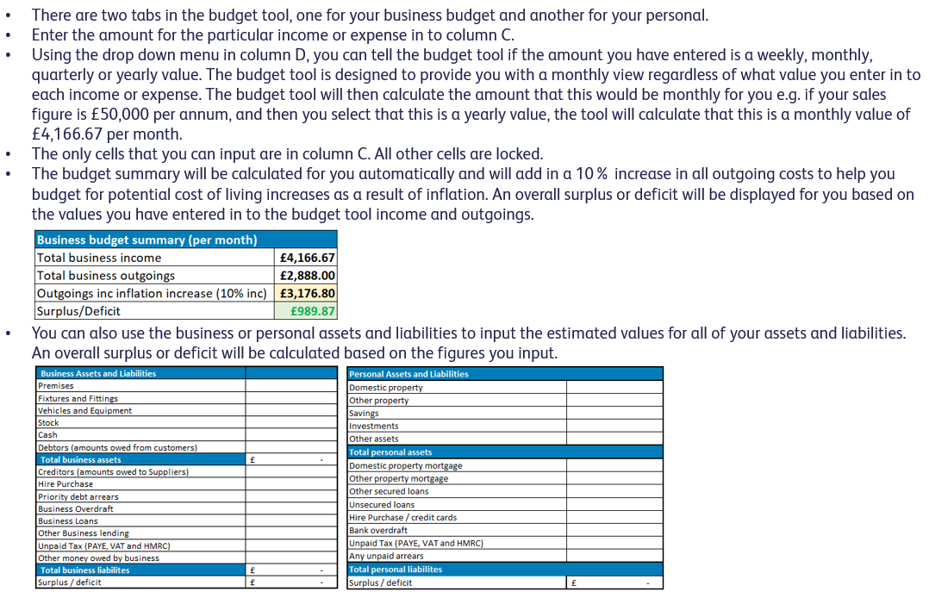
Budget tool instructions

